Summary
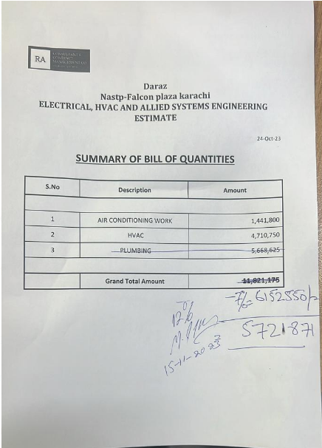
Daraz Nastp-Falcon plaza karachi ELECTRICAL, HVAC AND ALLIED SYSTEMS ENGINEERING ESTIMATE

 |  | 24-Oct-23

SUMMARY OF BILL OF QUANTITIES

S.No | Description | Amount

1 | AIR CONDITIONING WORK | 1,441,800
2 | HVAC | 4,710,750

 | Grand Total Amount | 6,152,550
 | Discount 7% | 430,679
 | Net Amount | 5,721,872
 | Add 5.5% | 314,703
 | Total Amount | 6,036,574

 | Variation Amount for 1st Floor | 7,596,000
 | Variation Amount for Ground Floor | 4,220,000
 | Total | 11,816,000
 | Add 5.5% | 649,880
 | Total | 12,465,880

 | Grand Total | 18,502,454

 | Received | 10,854,400

 | Payable Amount | 7,648,054

